Python Numbers
1.1 PYTHON NUMBERS | REFERENCE

▣In this lecture, we will learn about numbers in Python and how to use them. We'll learn about the following topics: | ⇰REFERENCE (Website)--> Udemy Regarding Conceptual & Practical Implementation of Python Basic (Numbers)
⇰Types of Numbers in Python ⇰Basic Arithmetic ⇰Differences between classic division and floor division ⇰Object Assignment in Python

❶TYPES OF NUMBERS IN PYTHON
①Python has various "types" of numbers (numeric literals). We'll mainly focus on integers and floating point numbers.Integers are just whole numbers, positive or negative. For example: (2)and (-2) are examples of integers.

②Floating point numbers in Python are notable because they have a decimal point in them, or use an exponential (e) to define the number. For example 2.0 and -2.1 are examples of floating point numbers. 4E2 (4 times 10 to the power of 2) is also an example of a floating point number in Python.Throughout this course we will be mainly working with integers or simple float number types.

③Here is a table of the two main types we will spend most of our time working with some examples:

∎1. BASIC ARITHEMETIC
▣ADDITION
⇰Let's start off by just going over some basic math, which is pretty straightforward, and it's basically just using Python as a calculator.If you want to do additions, it's just an addition sign or a (+ plus sign) , two plus one (2+1)=>3.

 | ⇰REFERENCE (Website)-->1.1 Google Colab (Python Numbers) Regarding Conceptual & Practical Understanding of Category of BASIC ARITHEMATIC (ADDITION)

▣SUBTRACTION
⇰If you want to do subtraction, that's just a dash or a minus sign to minus one (2-1).

 | ⇰REFERENCE (Website)-->1.1 Google Colab (Python Numbers) Regarding Conceptual & Practical Understanding of Category of BASIC ARITHEMATIC (SUBTRACTION)

▣MULTIPLICATION
⇰You can use an asterisk (**) for multiplication Here we can see that (2*2) = 4
 | ⇰REFERENCE (Website)-->1.1 Google Colab (Python Numbers) Regarding Conceptual & Practical Understanding of Category of BASIC ARITHEMATIC (MULTIPLICATION)

▣DIVISION
⇰ If you want to perform division, that's just a forward slash (/). So three divided by two is (3/2)=1.5.

 | ⇰REFERENCE (Website)-->1.1 Google Colab (Python Numbers) Regarding Conceptual & Practical Understanding of Category of BASIC ARITHEMATIC (DIVISION)

▣FLOOR DIVISION
⇰Floor division is a division operation that rounds the result down to the nearest (whole number)or (integer), which is less than or equal to the normal division result. The floor function is mathematically denoted by this (//) symbol. ⇰Basically in Upcoming Example (7 // 4) it will yield result (1) it means that if we add (+1) Number to 7 => 7+1 resultant (8) will be divisible by 8 so nearest number addition or subtraction to make dividind fully divisible & What number is required (addition Or deletion) to make Number full divisible & yield complete whole number.

 |  | `

 | ⇰REFERENCE (Website)-->1.1 Google Colab (Python Numbers) Regarding Conceptual & Practical Understanding of Category of BASIC ARITHEMATIC (PROPER DIVISION VS FLOOR DIVISION)

∎2. DIFFERENCE IN BETWEEN FLOOR DIVISION VS CLASS DIVISION
▣ MODULO OR (MOD) OPERATOR (%) | ⇰REFERENCE (Website)-->Geeks for Geeks Regarding Conceptual & Practical Implementation of Modulo Operator (%) in Python
⇰Basically, the Python modulo operation is used to get the remainder of a division. The modulo operator (%) is considered an arithmetic operation, along with (+, –, /, *, **, //). In most languages, both operands of this modulo operator have to be an integer. But Python Module is versatile in this case. The operands can be either integers or floats.

⇰Basically in Simple Words We will discuss a mathematical operation that you may not have seen before.It's the modulo or mod operator & basically what this does, it returns back the remainder after a division. For example, if we were to do seven (7) divided by four (4), we get back 1.75 & if you were to do this kind of using an elementary school mathematics, you would say seven (7) divided by four (4) => 7/4 four goes into seven (7) one time with a remainder of three (3) because four (4) plus three (3) is seven (7).

 | ⇰REFERENCE (Website)-->1.1 Google Colab (Python Numbers) Regarding Conceptual & Practical Understanding of MODULO OR (MOD) OPERATOR

▣USING (MODULO) MOD OPERATOR TO CHECK DIVISIBILITY OF NUMBER (VERIFY NUMBER IS ODD OR EVEN)

⇰(Modulo Mod Operator) is really convenient way check when you want to check if a number is even or not.One way I could do this is simply with a mod two and I know that if mod two results in something other than zero (0), then we have an odd number.Because if I have an even number then when you divide it by two (2) , there should be no remainder or the remainder should be zero (0).So that's the MOD operator again.

 | ⇰REFERENCE (Website)-->1.1 Google Colab (Python Numbers) Regarding Conceptual & Practical Understanding of MODULO OR (MOD) OPERATOR (For Divisibility Check Whether ODD Or EVEN NUMBER)

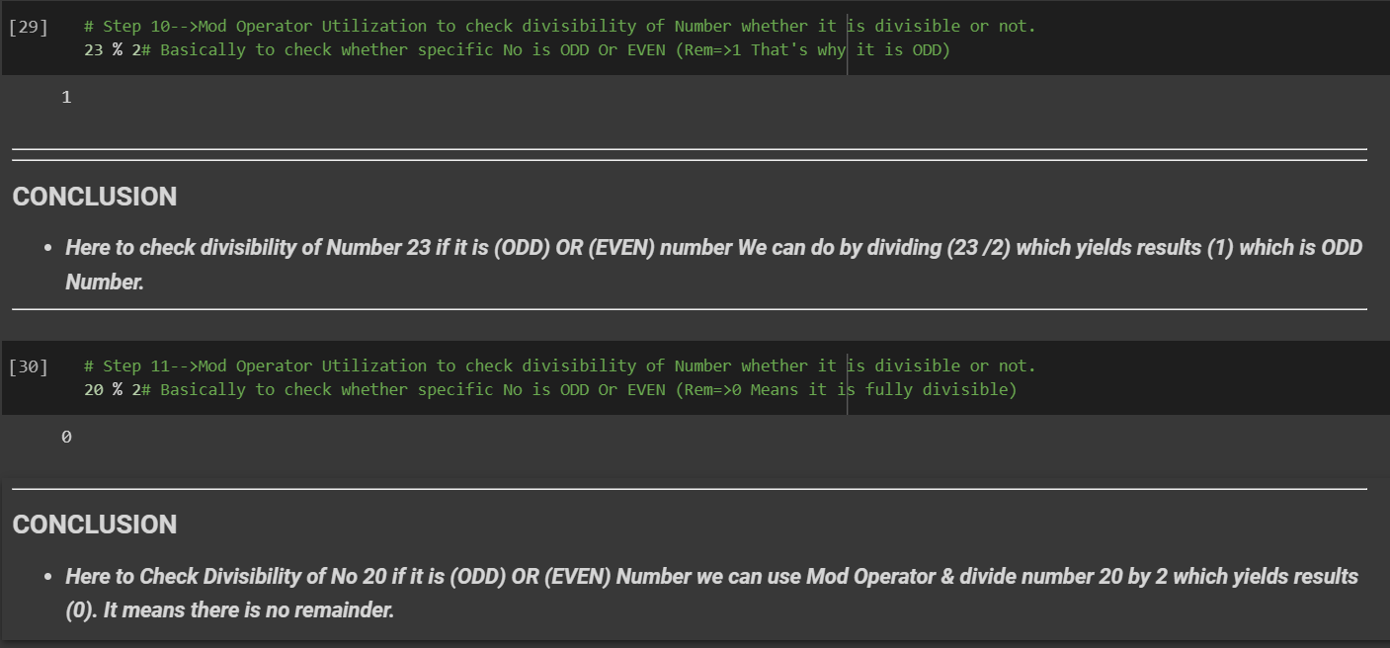

∎3. ADVANCED ARITHEMETIC
▣POWERS | ⇰REFERENCE (Website)-->Educative Regarding Conceptual Understanding of Power (Exponential Arithemetic)
⇰You can use (powers) so you can do something like two (2) to the power of three (3).So that's just two asterisk (**) signs in a row. So to the power of three (***), that's eight.This operator that can be used to perform the exponent arithmetic in Python is . Ex=>Given two (2) real number operands, one on each side of the operator, it performs the exponential calculation (2**5 translates to 2*2*2*2*2 ).

 | ⇰REFERENCE (Website)-->1.1 Google Colab (Python Numbers) Regarding Conceptual & Practical Understanding of POWERS FUNCTION | ⇰REFERENCE (Website)-->W3Schools Regarding Conceptual & Practical Implementation of POWERS FUNCTION

 | ⇰REFERENCE (Website)-->Cuemath Regarding Conceptual & Practical Understanding of Order of Operations (BODMAS)

▣4. ORDER OF OPERATIONS
⇰The order of operations is a set of rules that is to be followed in a particular sequence while solving an expression. In mathematics with the word operations we mean, the process of evaluating any mathematical expression, involving arithmetic operations such as division, multiplication, addition, and subtraction (BODMAS).

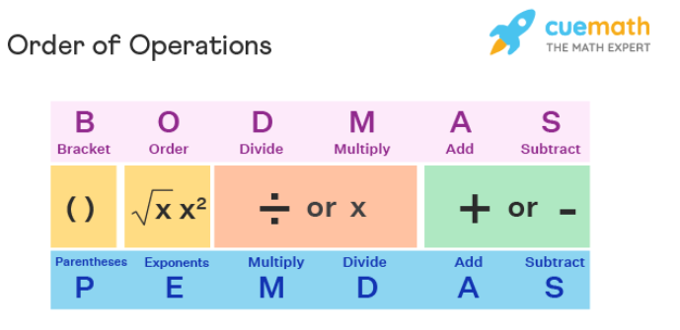

⇰Let's imagine that I have the following equation two plus ten multiplied by ten+ three=> 2+10 * 10+3 If I run that code, I get back 105.Right now we're following basic order of operations with math (BODMAS) , which is going to perform this multiplication first before it does this addition Acc to (BODMAS). So it's performing ten times ten, 100 plus two plus three.

 | ⇰REFERENCE (Website)-->1.1 Google Colab (Python Numbers) Regarding Conceptual & Practical Understanding of Order of Operation (BODMAS)

⇰But what if I wanted to actually have two (2) plus (+) ten (10) occur first,then multiply that by the result Basically in simple words what if we don't want to folow Order of Operation (BODMAS).(SET-> 1 ADDITION FIRST & THEN SET->2 PERFORM MULTIPLICATION)

 | ⇰REFERENCE (Website)-->1.1 Google Colab (Python Numbers) Regarding Conceptual & Practical Understanding of Alternatives of BODMAS By Using Paranthesis

